13Nov2019
All versions of codes are there now i am trying to minimize weights |  |  | which has lesser impact
Actually i am trying to fuse data and imu is very less accurate data as compared to dvl so i shall give higher deviation to IMU with same height
i now try to rewrite a code
 |  | I have now the perception that actually it is all about the weights
i am giving absolute values of imu and Dvl (by giving sum of them to filter pcbc)
We took USBL as change because we can not take global values because if global values will be 100000 how we shall update weights
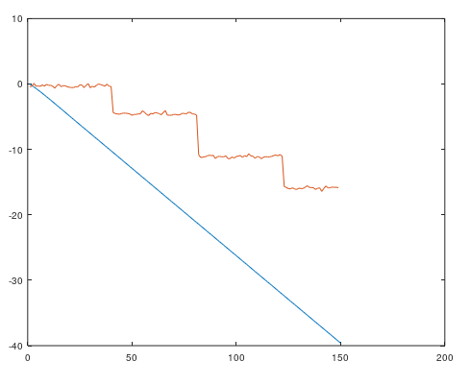

Weights of dvl and imu are extremely
small so combined affect is also small
Return is also zero
gIMU = -10.289
gDVL = -10.961
comingVal = -0.38107
val = 41 |  |  |  |  |  |  | There is a mistake i am not updating dvl values now it is fine

this clarifies that by changing weights
the values are also getting small

It is very essential to understand sensory data

IMU is inertial sensor and DVL is also inertial sensor

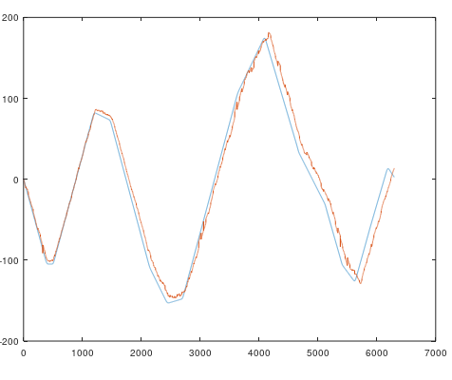
now weights are set and input is updating from
wights

 |  |  |  |  | Good enough because i was considering only IMU last time

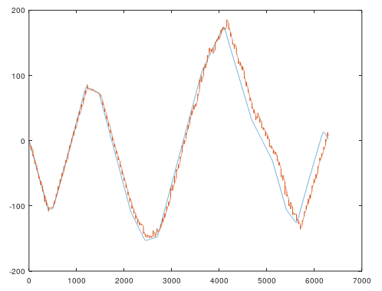
 |  |  |  |  |  | iter=5;
 |  |  |  |  |  | #setting Input for inertial sensor and positioning
 |  |  |  |  |  | AIMU=1;
 |  |  |  |  |  | sigmaIMU=30;
 |  |  |  |  |  | ADVL=1;
 |  |  |  |  |  | sigmaDVL=10;
 |  |  |  |  |  | AUSBL=1;
 |  |  |  |  |  | sigmaUSBL=1;

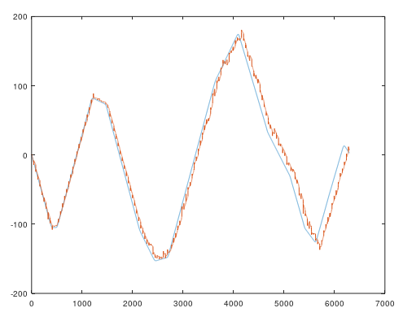
 |  |  |  |  |  | iter=5;
 |  |  |  |  |  | #setting Input for inertial sensor and positioning
 |  |  |  |  |  | AIMU=1;
 |  |  |  |  |  | sigmaIMU=30;
 |  |  |  |  |  | ADVL=1;
 |  |  |  |  |  | sigmaDVL=10;
 |  |  |  |  |  | AUSBL=1;
 |  |  |  |  |  | sigmaUSBL=0.1;

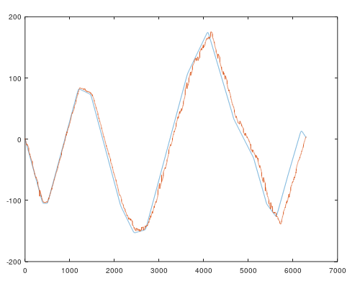
 |  |  |  |  |  | iter=30;
 |  |  |  |  |  | #setting Input for inertial sensor and positioning
 |  |  |  |  |  | AIMU=1;
 |  |  |  |  |  | sigmaIMU=30;
 |  |  |  |  |  | ADVL=1;
 |  |  |  |  |  | sigmaDVL=10;
 |  |  |  |  |  | AUSBL=1;
 |  |  |  |  |  | sigmaUSBL=0.1;

 |  |  |  |  |  | with iterations curly like becomes smooth

 | now i introduced the concept of last usbl because if 1 2 3 4 5 6 7 8 9 10 if pcbc last time returned 3 then next difference is 5 and new value will be 8 if accurate
 | that is why to overcome this problem i introduced the concept of lastusbl=lastPCBC value difference will be 10-3= 7 and new value will come 10 if accurate.

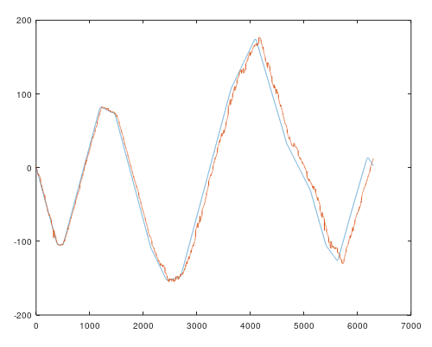
 |  |  |  |  |  |  |  | #Stable version of Thesis coding
 |  |  |  |  |  |  |  | clear all
 |  |  |  |  |  |  |  | clc
 |  |  |  |  |  | iter=30; #iterations of PCBC |  | ###### Initialization#################################################
 |  |  |  |  |  | #setting Input for inertial sensor and positioning |  | axis=2;
 |  |  |  |  |  | AIMU=1; |  | load("imuData.mat")
 |  |  |  |  |  | sigmaIMU=30; |  | load("dvlData.mat")
 |  |  |  |  |  | ADVL=1; |  | load("usblData.mat")
 |  |  |  |  |  | sigmaDVL=10; |  | load("dgpsData.mat")
 |  |  |  |  |  | AUSBL=1; |  | load("gtData.mat")
 |  |  |  |  |  | sigmaUSBL=0.1; |  | load("altimeterData.mat")

 |  |  |  |  |  |  |  | #try putting values in inertial and global sensor
 |  |  |  |  |  |  |  | XlocationIMU=imuData(1,axis);
 |  |  |  |  |  |  |  | XlocationDVL=dvlData(1,axis);
 |  |  |  |  |  | now if i > sigma |  | XlocationUSBL=usblData(1,axis);
 |  |  |  |  |  |  |  | #xUSBL will be zeros(1,801) %when no usblData

 |  |  |  |  |  |  |  | range=[-40:0.1:40];
 |  |  |  |  |  |  |  | centers=[-40:0.2:40];

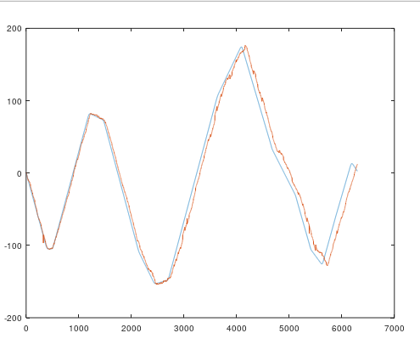
 |  |  |  |  |  |  |  | iter=30; #iterations of PCBC
 |  |  |  |  |  |  |  | #setting Input for inertial sensor and positioning
 |  |  |  |  |  |  |  | AIMU=1;
 |  |  |  |  | iter=30; #iterations of PCBC |  |  | sigmaIMU=30;
 |  |  |  |  | #setting Input for inertial sensor and positioning |  |  | ADVL=1;
 |  |  |  |  | AIMU=1; |  |  | sigmaDVL=2;
 |  |  |  |  | sigmaIMU=30; |  |  | AUSBL=1;
 |  |  |  |  | ADVL=1; |  |  | sigmaUSBL=0.1;
 |  |  |  |  | sigmaDVL=2;
 |  |  |  |  | AUSBL=1; |  |  | #setting input for positioning sensor
 |  |  |  |  | sigmaUSBL=0.1; |  |  | xIMU = G1D(range,XlocationIMU,sigmaIMU,AIMU);
 |  |  |  |  |  |  |  | xDVL = G1D(range,XlocationDVL,sigmaDVL,ADVL);

 |  |  |  |  |  |  |  | xUSBL = G1D(range,XlocationUSBL,sigmaUSBL,AUSBL);
 |  |  |  |  |  |  |  | #xUSBL = zeros(1,801); % only when no usblData
 |  |  |  |  |  |  |  | #Setting Weights
 |  |  |  |  |  |  |  | WIMU=[];
 |  |  |  |  | sigma is 2 nothing sp...... |  |  | [ext,wn]=size(centers);
 |  |  |  |  |  |  |  | for iw=1:wn
 |  |  |  |  |  |  |  | WG1D = G1D(range,centers(iw),sigmaIMU,AIMU)./sum(G1D(range,XlocationIMU,sigmaIMU,AIMU));
 |  |  |  |  |  |  |  | WIMU=[WIMU;WG1D];
 |  |  |  |  |  |  |  | endfor
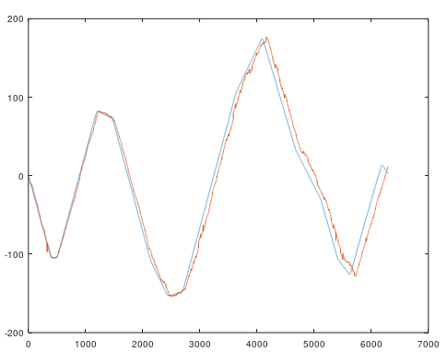
 |  |  |  |  |  |  |  | WDVL=[];
 |  |  |  | sigma ko kam kr k frq ni par rha |  |  |  | [ext,wn]=size(centers);
 |  |  |  |  |  |  |  | for iw=1:wn
 |  |  |  |  |  |  |  | WG1D = G1D(range,centers(iw),sigmaDVL,ADVL)./sum(G1D(range,XlocationDVL,sigmaDVL,ADVL));
 |  |  |  |  |  |  |  | WDVL=[WDVL;WG1D];
 |  |  |  |  |  |  |  | endfor

 |  |  |  |  |  |  |  | WUSBL=[];
 |  |  |  |  |  |  |  | [ext,wn]=size(centers);
 |  |  |  |  |  |  |  | for iw=1:wn
 |  |  |  |  |  |  |  | WG1D = G1D(range,centers(iw),sigmaUSBL,AUSBL);
 |  |  |  |  |  |  |  | WUSBL=[WUSBL;WG1D];
 |  |  |  |  |  |  |  | endfor
 |  |  |  |  |  |  |  | #some Variable initialization gor pcbc
 |  |  |  |  |  |  |  | VUSBL=bsxfun(@rdivide,abs(WUSBL),max(1e-6,max(abs(WUSBL),[],2)));
 |  |  |  |  |  |  |  | VIMU =bsxfun(@rdivide,abs(WIMU),max(1e-6,max(abs(WIMU),[],2)));
 |  |  |  |  |  |  |  | VDVL =bsxfun(@rdivide,abs(WDVL),max(1e-6,max(abs(WDVL),[],2)));
 | now a nw problm .... i am taking naxt usbl why .... simga 2 finz risalt |  |  |  |  |  |  | V = [VIMU VDVL VUSBL];
 |  |  |  |  |  |  |  | V = V';
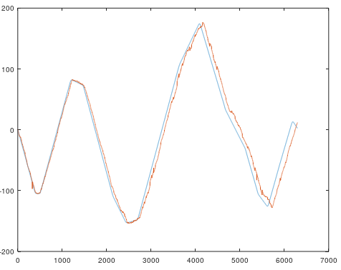
 |  |  |  |  |  |  |  | y=zeros(401,1);
 |  |  |  |  |  |  |  | epsilon1=1e-6;
 |  |  |  |  |  | osi tra rhaa |  | epsilon2=1e-4;
 |  |  |  |  |  | iter=30; #iterations of PCBC
 |  |  |  |  |  | #setting Input for inertial sensor and positioning
 |  |  |  |  |  | AIMU=1; |  | #concatination
 |  |  |  |  |  | sigmaIMU=30; |  | W = [WIMU WUSBL WUSBL];
 |  |  |  |  |  | ADVL=1; |  | x = [xIMU xDVL xUSBL];
 |  |  |  |  |  | sigmaDVL=0.2; |  | x=x';
 |  |  |  |  |  | AUSBL=1;
 |  |  |  |  |  | sigmaUSBL=0.1;
 |  |  |  |  |  |  |  | #PCBC-DIM
 |  |  |  |  |  |  |  | for i=1:iter
 |  |  |  |  |  |  |  | r=V*y;
 |  |  |  |  |  |  |  | e=x./(epsilon2+r);
 |  |  |  |  |  |  |  | y=(epsilon1+y).*(W*e);
 |  |  |  |  |  |  |  | endfor
 |  |  |  |  |  |  |  | globalTraj=[];
 |  |  |  |  |  |  |  | globalTrajvar=0;
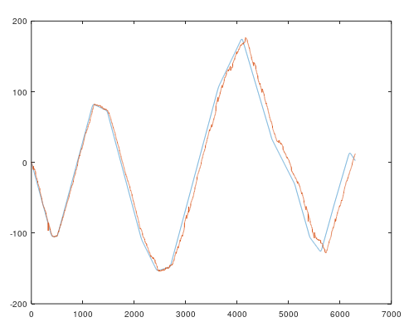
 |  |  |  |  |  |  |  | t=0;
 |  |  |  |  |  |  |  | lastUsbl=globalTrajvar=decode(y',centers)
 |  |  |  |  |  |  |  | globalTraj=[globalTraj; t globalTrajvar]

 |  |  |  |  |  |  |  | #######################Filter Processing##########################
 |  |  |  |  |  | iter=30; #iterations of PCBC
 |  |  |  |  |  | #setting Input for inertial sensor and positioning
 |  |  |  |  |  | AIMU=1; |  | #MainFile2
 |  |  |  |  |  | sigmaIMU=30; |  | xCusbl=[];
 |  |  |  |  |  | ADVL=1; |  | localTraj=[];
 |  |  |  |  |  | sigmaDVL=2; |  | xCusbl(2:158,1:4)=usblData(2:158,1:4);
 |  |  |  |  |  | AUSBL=1; |  | iImu=2;
 |  |  |  |  |  | sigmaUSBL=0.1; |  | iDvl=2;
 |  |  |  |  |  |  |  | iUsbl=2;
 |  |  |  |  |  |  |  | t=imuData(2,1);
 |  |  |  |  |  |  |  | tImu=imuData(2,1);
 |  |  |  |  |  |  |  | tDvl=dvlData(2,1);
 |  |  |  |  |  |  |  | tUsbl=xCusbl(2,1);
 |  |  |  |  |  |  |  | dt=imuData(2,1)-imuData(1,1);

 |  |  |  |  |  |  |  | gIMU=0;
 |  |  |  |  |  |  |  | gDVL=0;

 |  |  |  |  |  |  |  | ##### for values of sensors
 |  |  |  |  |  |  |  | for val=2:6300
 |  |  |  |  |  |  |  | val
 |  |  |  |  |  |  |  | if tImu<=t && iImu<6300
 |  |  |  |  |  | lovly |  | gIMU = gIMU + imuData(iImu,axis); % convert change into global
 |  |  |  |  |  |  |  | xIMU = G1D(range,gIMU,sigmaIMU,AIMU);
 |  |  |  |  |  |  |  | tImu=imuData(iImu+1,1);
 |  |  |  |  |  |  |  | iImu=iImu+1;
 |  |  |  |  |  |  |  | endif

 |  |  |  |  |  |  |  | if tDvl<=t && iDvl<6301
 |  |  |  |  |  |  |  | gDVL = gDVL + dvlData(iDvl,axis); % convert change into global
 |  |  |  |  |  |  |  | xDVL = G1D(range,gDVL,sigmaDVL,ADVL);
 |  |  |  |  |  |  |  | tDvl=dvlData(iDvl+1,1);
 |  |  |  |  |  |  |  | iDvl=iDvl+1;
 |  |  |  |  |  |  |  | else
 |  |  |  |  |  |  |  | xDVL =zeros(1,801);
 |  |  |  |  |  |  |  | endif

 |  |  |  |  |  |  |  | if tUsbl<=t && iUsbl<158
 |  |  |  |  |  |  |  | xUSBL = G1D(range,xCusbl(iUsbl,axis)-lastUsbl,sigmaUSBL,AUSBL); % Already a change
 | lov |  |  |  |  |  |  | tUsbl=xCusbl(iUsbl+1,1);
 |  |  |  |  |  |  |  | iUsbl=iUsbl+1;
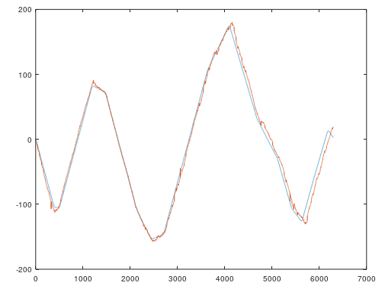
 | #Stable version of Thesis coding |  |  |  |  |  |  | else
 | clear all |  |  |  |  |  |  | xUSBL=zeros(1,801);
 | clc |  |  |  |  |  |  | endif
 | ###### Initialization#################################################
 | axis=2; |  |  |  |  |  |  | x = [xIMU xDVL xUSBL];
 | load("imuData.mat") |  |  |  |  |  |  | x=x';
 | load("dvlData.mat")
 | load("usblData.mat")
 | load("dgpsData.mat") |  |  |  |  |  |  | #PCBC-DIM
 | load("gtData.mat") |  |  |  |  |  |  | for i=1:iter
 | load("altimeterData.mat") |  |  |  |  |  |  | r=V*y;
 |  |  |  |  |  |  |  | e=x./(epsilon2+r);
 | #try putting values in inertial and global sensor |  |  |  |  |  |  | y=(epsilon1+y).*(W*e);
 | XlocationIMU=imuData(1,axis); |  |  |  |  |  |  | endfor
 | XlocationDVL=dvlData(1,axis); |  |  |  |  |  |  | #Decoding
 | XlocationUSBL=usblData(1,axis); |  |  |  |  |  |  | comingVal = decode(y',centers);
 | #xUSBL will be zeros(1,801) %when no usblData
 |  |  |  |  |  |  |  | if sum(xUSBL)>0.01 %if there is usblData
 |  |  |  |  |  |  |  | globalTrajvar+=comingVal; %sum b/c we are taking difference
 | range=[-40:0.1:40]; |  |  |  |  |  |  | lastUsbl=globalTrajvar; %want exact usbl difference
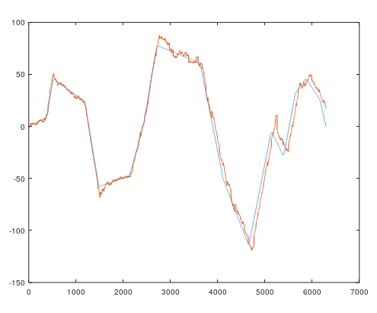
 | centers=[-40:0.2:40]; |  |  |  |  |  |  | gIMU=0; %reset global IMU value
 |  |  |  |  |  |  |  | gDVL=0; %reset global DVL value
 | iter=30; #iterations of PCBC |  |  |  |  |  |  | comingVal = 0; % reset comingVal as globalTrajvar is updated
 | #setting Input for inertial sensor and positioning |  |  |  |  |  |  | endif
 | AIMU=1;
 | sigmaIMU=30; |  |  |  |  |  |  | globalTraj=[globalTraj;t globalTrajvar+comingVal];
 | ADVL=1;
 | sigmaDVL=2;
 | AUSBL=1; |  |  |  |  |  |  | t=t+dt;
 | sigmaUSBL=0.1; |  |  |  |  |  |  | end
 |  |  |  |  |  |  |  | figure
 | #setting input for positioning sensor |  |  |  |  |  |  | plot(gtData(1:val,axis))
 | xIMU = G1D(range,XlocationIMU,sigmaIMU,AIMU); |  |  |  |  |  |  | hold on
 | xDVL = G1D(range,XlocationDVL,sigmaDVL,ADVL); |  |  |  |  |  |  | plot(globalTraj(1:val-1,2))
 |  |  |  |  |  |  |  | hold off
 | xUSBL = G1D(range,XlocationUSBL,sigmaUSBL,AUSBL);
 | #xUSBL = zeros(1,801); % only when no usblData
 | #Setting Weights
 | WIMU=[];
 | [ext,wn]=size(centers);
 | for iw=1:wn
 | WG1D = G1D(range,centers(iw),sigmaIMU,AIMU)./sum(G1D(range,XlocationIMU,sigmaIMU,AIMU));
 | WIMU=[WIMU;WG1D];
 | endfor

 | WDVL=[];
 | [ext,wn]=size(centers);
 | for iw=1:wn
 | WG1D = G1D(range,centers(iw),sigmaDVL,ADVL)./sum(G1D(range,XlocationDVL,sigmaDVL,ADVL));
 | WDVL=[WDVL;WG1D];
 | endfor

 | WUSBL=[];
 | [ext,wn]=size(centers);
 | for iw=1:wn
 | WG1D = G1D(range,centers(iw),sigmaUSBL,AUSBL);
 | WUSBL=[WUSBL;WG1D];
 | endfor
 | #some Variable initialization gor pcbc
 | VUSBL=bsxfun(@rdivide,abs(WUSBL),max(1e-6,max(abs(WUSBL),[],2)));
 | VIMU =bsxfun(@rdivide,abs(WIMU),max(1e-6,max(abs(WIMU),[],2)));
 | VDVL =bsxfun(@rdivide,abs(WDVL),max(1e-6,max(abs(WDVL),[],2)));
 | V = [VIMU VDVL VUSBL];
 | V = V';
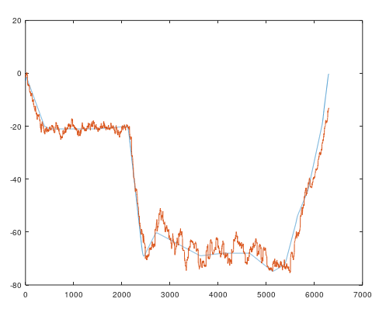
 | y=zeros(401,1);
 | epsilon1=1e-6;
 | epsilon2=1e-4;

 | #concatination
 | W = [WIMU WUSBL WUSBL];
 | x = [xIMU xDVL xUSBL];
 | x=x';

 | #PCBC-DIM
 | for i=1:iter
 | r=V*y;
 | e=x./(epsilon2+r);
 | y=(epsilon1+y).*(W*e);
 | endfor
 | globalTraj=[];
 | globalTrajvar=0;
 | t=0;
 | lastUsbl=globalTrajvar=decode(y',centers)
 | globalTraj=[globalTraj; t globalTrajvar]

 | #######################Filter Processing##########################

 | #MainFile2
 | xCusbl=[];
 | localTraj=[];
 | xCusbl(2:158,1:4)=usblData(2:158,1:4);
 | iImu=2;
 | iDvl=2;
 | iUsbl=1; % b/qs i starts from 2
 | t=imuData(2,1);
 | tImu=imuData(2,1);
 | tDvl=dvlData(2,1);
 | tUsbl=xCusbl(2,1);
 | dt=imuData(2,1)-imuData(1,1);

 | gIMU=0;
 | gDVL=0;

 | ##### for values of sensors
 | for val=2:6300
 | val
 | if tImu<=t && iImu<6300
 | gIMU = gIMU + imuData(iImu,axis); % convert change into global
 | xIMU = G1D(range,gIMU,sigmaIMU,AIMU);
 | tImu=imuData(iImu+1,1);
 | iImu=iImu+1;
 | endif

 | if tDvl<=t && iDvl<6301
 | gDVL = gDVL + dvlData(iDvl,axis); % convert change into global
 | xDVL = G1D(range,gDVL,sigmaDVL,ADVL);
 | tDvl=dvlData(iDvl+1,1);
 | iDvl=iDvl+1;
 | else
 | xDVL =zeros(1,801);
 | endif

 | if tUsbl<=t && iUsbl<158
 | xUSBL = G1D(range,xCusbl(iUsbl+1,axis)-lastUsbl,sigmaUSBL,AUSBL); % Already a change
 | tUsbl=xCusbl(iUsbl+1,1);
 | iUsbl=iUsbl+1;
 | else
 | xUSBL=zeros(1,801);
 | endif

 | x = [xIMU xDVL xUSBL];
 | x=x';

 | #PCBC-DIM
 | for i=1:iter
 | r=V*y;
 | e=x./(epsilon2+r);
 | y=(epsilon1+y).*(W*e);
 | endfor
 | #Decoding
 | comingVal = decode(y',centers);

 | if sum(xUSBL)>0.01 %if there is usblData
 | globalTrajvar+=comingVal; %sum b/c we are taking difference
 | lastUsbl=globalTrajvar; %want exact usbl difference
 | gIMU=0; %reset global IMU value
 | gDVL=0; %reset global DVL value
 | comingVal = 0; % reset comingVal as globalTrajvar is updated
 | endif

 | globalTraj=[globalTraj;t globalTrajvar+comingVal];

 | t=t+dt;
 | end
 | figure
 | plot(gtData(1:val,axis))
 | hold on
 | plot(globalTraj(1:val-1,2))
 | hold off

14Nov2019
time difference should be according to the AMU sensor
data must be synchronised |  |  | v16s

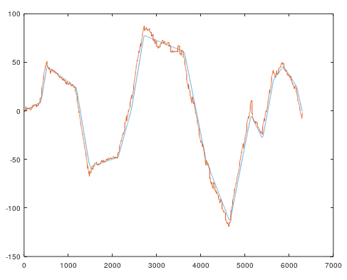

 |  |  |  | iter=15; #iterations of PCBC
 |  |  |  | #setting Input for inertial sensor and positioning
 |  |  |  | AIMU=1;
 |  |  |  | sigmaIMU=20;
 |  |  |  | ADVL=1;
 |  |  |  | sigmaDVL=2;
 |  |  |  | AUSBL=1;
 |  |  |  | sigmaUSBL=0.1;
 |  |  |  | ADGPS=1;
 |  |  |  | sigmaDGPS=0.1;

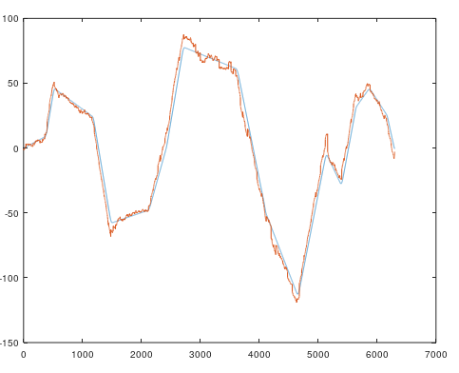

 |  |  |  | iter=25; #iterations of PCBC
 |  |  |  | #setting Input for inertial sensor and positioning
 |  |  |  | AIMU=1;
 |  |  |  | sigmaIMU=20;
 |  |  |  | ADVL=1;
 |  |  |  | sigmaDVL=2;
 |  |  |  | AUSBL=1;
 |  |  |  | sigmaUSBL=1;
 |  |  |  | ADGPS=1;
 |  |  |  | sigmaDGPS=0.1;

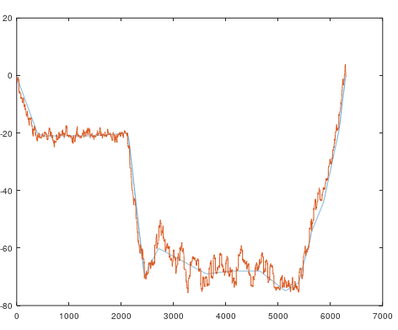
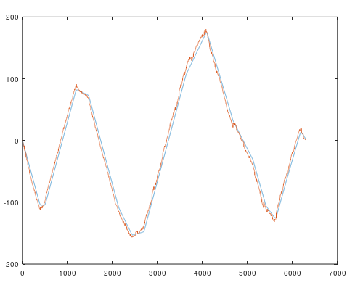

 |  |  |  | iter=25; #iterations of PCBC
 |  |  |  | #setting Input for inertial sensor and positioning
 |  |  |  | AIMU=1;
 |  |  |  | sigmaIMU=20;
 |  |  |  | ADVL=1;
 |  |  |  | sigmaDVL=5;
 |  |  |  | AUSBL=1;
 |  |  |  | sigmaUSBL=1;
 |  |  |  | ADGPS=1;
 |  |  |  | sigmaDGPS=0.1;

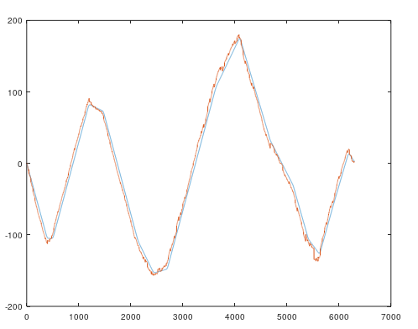
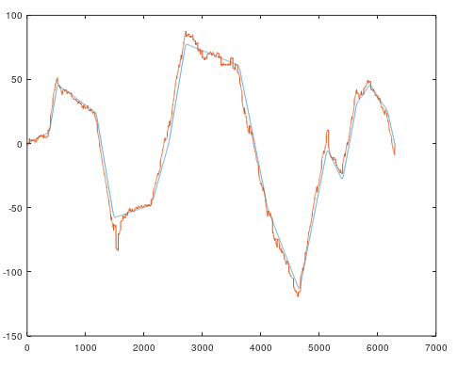
 | even noise is added and result is seen for x and y axis |  |  | % adding non-Gaussian Noise to the USBL sensor x and y
 |  |  |  | usblData(10,2:3) = [-150 -100];
 |  |  |  | usblData(20,2:3) = [-150 -100];
 |  |  |  | usblData(40,2:3) = [-150 -100];
 |  |  |  | usblData(60,2:3) = [-150 -100];
 |  |  |  | usblData(80,2:3) = [-150 -100];
 |  |  |  | usblData(100,2:3) = [-150 -100];
 |  |  |  | usblData(120,2:3) = [-150 -100];
 |  |  |  | usblData(140,2:3) = [-150 -100];

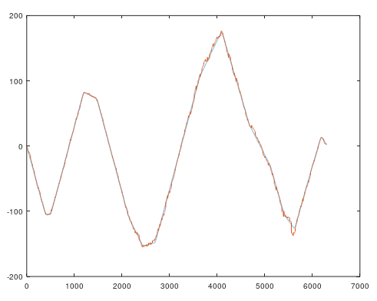
 |  | Now i made code more general and i added all abrupt noise on x and y axis

 | #Stable version of Thesis coding
 | clear all
 | clc
 | ###### Initialization#################################################

 | axis=2; %2-4 1 is time x=2,y=3,z=4

 | load("imuData.mat")
 | load("dvlData.mat")
 | load("usblData.mat")
 | load("dgpsData.mat")
 | load("gtData.mat")
 | load("altimeterData.mat")

 | % adding non-Gaussian Noise to the USBL sensor x and y |  |  | WG1D = G1D(range,centers(iw),sigmaIMU,AIMU)./sum(G1D(range,centers(iw),sigmaIMU,AIMU));
 | usblData(10,2:3) = [-150 -100]; |  |  | actually normalize weights with its own weight value
 | usblData(20,2:3) = [-150 -100];
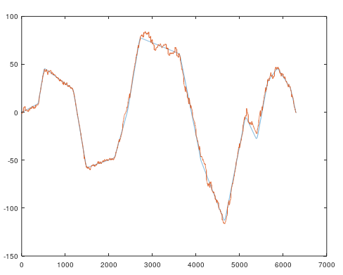
 | usblData(40,2:3) = [-150 -100];
 | usblData(60,2:3) = [-150 -100];
 | usblData(80,2:3) = [-150 -100];
 | usblData(100,2:3) = [-150 -100];
 | usblData(120,2:3) = [-150 -100];
 | usblData(140,2:3) = [-150 -100];
 | #xUSBL will be zeros(1,801) %when no usblData

 | range=[-40:0.1:40];
 | centers=[-40:0.2:40];

 | iter=25; #iterations of PCBC
 | #setting Input for inertial sensor and positioning
 | AIMU=1;
 | sigmaIMU=20;
 | ADVL=1;
 | sigmaDVL=5;
 | AUSBL=1;
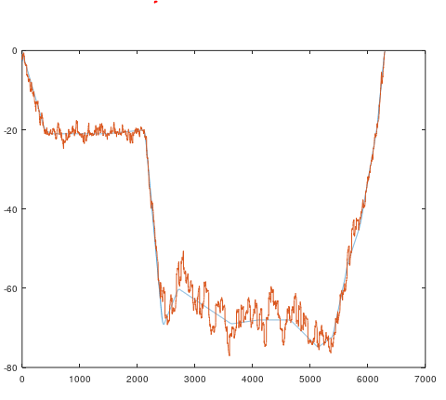
 | sigmaUSBL=1;
 | ADGPS=1;
 | sigmaDGPS=0.1;

 | #xUSBL = zeros(1,801); % only when no usblData
 | #Setting Weights
 | WIMU=[];
 | [ext,wn]=size(centers);
 | for iw=1:wn
 | WG1D = G1D(range,centers(iw),sigmaIMU,AIMU)./sum(G1D(range,centers(iw),sigmaIMU,AIMU));
 | WIMU=[WIMU;WG1D];
 | endfor

 | WDVL=[];
 | [ext,wn]=size(centers);
 | for iw=1:wn
 | WG1D = G1D(range,centers(iw),sigmaDVL,ADVL)./sum(G1D(range,centers(iw),sigmaDVL,ADVL));
 | WDVL=[WDVL;WG1D];
 | endfor

 | WUSBL=[];
 | [ext,wn]=size(centers);
 | for iw=1:wn
 | WG1D = G1D(range,centers(iw),sigmaUSBL,AUSBL);
 | WUSBL=[WUSBL;WG1D];
 | endfor

 | WDGPS=[];
 | [ext,wn]=size(centers);
 | for iw=1:wn
 | WG1D = G1D(range,centers(iw),sigmaDGPS,ADGPS);
 | WDGPS=[WDGPS;WG1D];
 | endfor

 | #some Variable initialization gor pcbc
 | VUSBL=bsxfun(@rdivide,abs(WUSBL),max(1e-6,max(abs(WUSBL),[],2)));
 | VIMU =bsxfun(@rdivide,abs(WIMU),max(1e-6,max(abs(WIMU),[],2)));
 | VDVL =bsxfun(@rdivide,abs(WDVL),max(1e-6,max(abs(WDVL),[],2)));
 | VDGPS =bsxfun(@rdivide,abs(WDGPS),max(1e-6,max(abs(WDGPS),[],2)));

 | V = [VIMU VDVL VUSBL VDGPS];
 | V = V';
 | y=zeros(401,1);
 | epsilon1=1e-6;
 | epsilon2=1e-4;

 | #concatination
 | W = [WIMU WUSBL WUSBL WDGPS];

 | #######################Filter Processing##########################

 | #MainFile2iImu=1;
 | iImu=1;
 | iDvl=1;
 | iUsbl=1; % b/qs i starts from 2
 | iDgps=1;
 | t=imuData(1,1);
 | tImu=imuData(1,1);
 | tDvl=dvlData(1,1);
 | tUsbl=usblData(1,1);
 | tDGPS=dgpsData(1,1)

 | gIMU=0;
 | gDVL=0;
 | globalTrajvar=0;
 | lastDGPS=lastUsbl=0; %reference Point
 | globalTraj=[];

 | ##### for values of sensors
 | for val=1:length(imuData) % highest rate
 | val
 | if tImu<=t && iImu<length(imuData)
 | gIMU = gIMU + imuData(iImu,axis); % convert change into global
 | xIMU = G1D(range,gIMU,sigmaIMU,AIMU);
 | tImu=imuData(iImu+1,1);
 | iImu=iImu+1;
 | endif

 | if tDvl<=t && iDvl<length(dvlData)
 | gDVL = gDVL + dvlData(iDvl,axis); % convert change into global
 | xDVL = G1D(range,gDVL,sigmaDVL,ADVL);
 | tDvl=dvlData(iDvl+1,1);
 | iDvl=iDvl+1;
 | endif

 | if tUsbl<=t && iUsbl<length(usblData) % as we are taking change so total-1
 | xUSBL = G1D(range,usblData(iUsbl,axis)-lastUsbl,sigmaUSBL,AUSBL); % Already a change
 | tUsbl=usblData(iUsbl+1,1);
 | iUsbl=iUsbl+1;
 | else
 | xUSBL=zeros(1,801);
 | endif

 | if tDGPS<=t && iDgps<length(dgpsData)
 | xDGPS = G1D(range,dgpsData(iDgps,axis)-lastDGPS,sigmaDGPS,ADGPS); % Already a change
 | tDGPS=dgpsData(iDgps+1,1);
 | iDgps=iDgps+1;
 | else
 | xDGPS=zeros(1,801);
 | endif

 | x = [xIMU xDVL xUSBL xDGPS];
 | x=x';

 | #PCBC-DIM
 | for i=1:iter
 | r=V*y;
 | e=x./(epsilon2+r);
 | y=(epsilon1+y).*(W*e);
 | endfor
 | #Decoding
 | comingVal = decode(y',centers);

 | if sum(xUSBL)>0.01 || sum(xDGPS)>0.01 %if there is usblData
 | globalTrajvar+=comingVal; %sum b/c we are taking difference
 | lastUsbl=globalTrajvar; %want exact usbl difference
 | lastDGPS=globalTrajvar; % for approching to dgps
 | gIMU=0; %reset global IMU value
 | gDVL=0; %reset global DVL value
 | comingVal = 0; % reset comingVal as globalTrajvar is updated
 | endif

 | %because usbl and dgps are positioning sensors

 | globalTraj=[globalTraj;t globalTrajvar+comingVal];

 | t=imuData(iImu,1);
 | end
 | figure
 | plot(gtData(1:val,axis))
 | hold on
 | plot(globalTraj(1:val,2))
 | hold off

